Daily Power Station Chart_14-01
Plant_21/01/2025Chart

Plant:odco1 |  |  | Installed Capacity:111.180kWp
Today Yield(kWh):439.900kWh |  | Today Earning:175960.000TND |  | Today Full Load Hours(h):3.96h

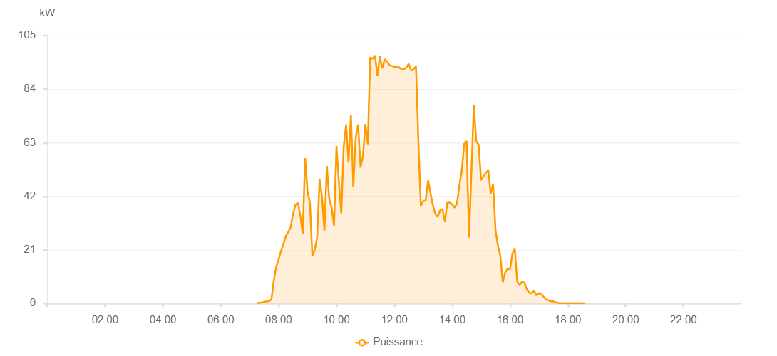

Number | Time | Working State | PV(W) | Instantaneous Radiation(W/㎡)
1 | 07:15:00 | Online | 20.00000 | 0
2 | 07:20:00 | Online | 280.00000 | 0
3 | 07:25:00 | Online | 360.00000 | 0
4 | 07:30:00 | Online | 640.00000 | 1.00000
5 | 07:35:00 | Online | 800.00000 | 3.00000
6 | 07:40:00 | Online | 930.00000 | 6.00000
7 | 07:45:00 | Online | 1510.00000 | 9.00000
8 | 07:50:00 | Online | 9040.00000 | 12.00000
9 | 07:55:00 | Online | 14410.00000 | 144.00000
10 | 08:00:00 | Online | 17220.00000 | 181.00000
11 | 08:05:00 | Online | 20600.00000 | 218.00000
12 | 08:10:00 | Online | 23310.00000 | 253.00000
13 | 08:15:00 | Online | 26410.00000 | 287.00000
14 | 08:20:00 | Online | 28100.00000 | 317.00000
15 | 08:25:00 | Online | 29870.00000 | 347.00000
16 | 08:30:00 | Online | 35120.00000 | 368.00000
17 | 08:35:00 | Online | 38730.00000 | 260.00000
18 | 08:40:00 | Online | 39530.00000 | 382.00000
19 | 08:45:00 | Online | 34420.00000 | 455.00000
20 | 08:50:00 | Online | 27360.00000 | 258.00000
21 | 08:55:00 | Online | 56970.00000 | 340.00000
22 | 09:00:00 | Online | 43970.00000 | 588.00000
23 | 09:05:00 | Online | 39260.00000 | 235.00000
24 | 09:10:00 | Online | 18690.00000 | 162.00000
25 | 09:15:00 | Online | 21180.00000 | 168.00000
26 | 09:20:00 | Online | 25920.00000 | 181.00000
27 | 09:25:00 | Online | 48800.00000 | 381.00000
28 | 09:30:00 | Online | 41770.00000 | 372.00000
29 | 09:35:00 | Online | 28350.00000 | 380.00000
30 | 09:40:00 | Online | 53910.00000 | 284.00000
31 | 09:45:00 | Online | 41080.00000 | 517.00000
32 | 09:50:00 | Online | 37650.00000 | 517.00000
33 | 09:55:00 | Online | 30520.00000 | 440.00000
34 | 10:00:00 | Online | 61720.00000 | 430.00000
35 | 10:05:00 | Online | 47750.00000 | 539.00000
36 | 10:10:00 | Online | 35350.00000 | 491.00000
37 | 10:15:00 | Online | 61510.00000 | 522.00000
38 | 10:20:00 | Online | 70150.00000 | 591.00000
39 | 10:25:00 | Online | 55270.00000 | 659.00000
40 | 10:30:00 | Online | 73840.00000 | 325.00000
41 | 10:35:00 | Online | 45860.00000 | 507.00000
42 | 10:40:00 | Online | 65220.00000 | 435.00000
43 | 10:45:00 | Online | 70170.00000 | 754.00000
44 | 10:50:00 | Online | 53340.00000 | 951.00000
45 | 10:55:00 | Online | 57810.00000 | 312.00000
46 | 11:00:00 | Online | 70340.00000 | 867.00000
47 | 11:05:00 | Online | 62410.00000 | 790.00000
48 | 11:10:00 | Online | 96470.00000 | 441.00000
49 | 11:15:00 | Online | 95880.00000 | 895.00000
50 | 11:20:00 | Online | 97200.00000 | 906.00000
51 | 11:25:00 | Online | 89130.00000 | 897.00000
52 | 11:30:00 | Online | 96820.00000 | 697.00000
53 | 11:35:00 | Online | 92160.00000 | 917.00000
54 | 11:40:00 | Online | 95770.00000 | 836.00000
55 | 11:45:00 | Online | 94850.00000 | 836.00000
56 | 11:50:00 | Online | 93450.00000 | 897.00000
57 | 11:55:00 | Online | 93100.00000 | 890.00000
58 | 12:00:00 | Online | 92810.00000 | 882.00000
59 | 12:05:00 | Online | 92660.00000 | 885.00000
60 | 12:10:00 | Online | 92560.00000 | 881.00000
61 | 12:15:00 | Online | 91730.00000 | 881.00000
62 | 12:20:00 | Online | 91840.00000 | 878.00000
63 | 12:25:00 | Online | 92500.00000 | 886.00000
64 | 12:30:00 | Online | 93950.00000 | 692.00000
65 | 12:35:00 | Online | 91310.00000 | 854.00000
66 | 12:40:00 | Online | 91710.00000 | 886.00000
67 | 12:45:00 | Online | 93040.00000 | 886.00000
68 | 12:50:00 | Online | 63300.00000 | 945.00000
69 | 12:55:00 | Online | 38120.00000 | 330.00000
70 | 13:00:00 | Online | 40290.00000 | 347.00000
71 | 13:05:00 | Online | 40290.00000 | 347.00000
72 | 13:10:00 | Online | 48250.00000 | 330.00000
73 | 13:20:00 | Online | 38490.00000 | 330.00000
74 | 13:25:00 | Online | 35200.00000 | 330.00000
75 | 13:30:00 | Online | 33920.00000 | 330.00000
76 | 13:35:00 | Online | 36490.00000 | 330.00000
77 | 13:40:00 | Online | 37110.00000 | 330.00000
78 | 13:45:00 | Online | 31920.00000 | 330.00000
79 | 13:50:00 | Online | 39530.00000 | 330.00000
80 | 13:55:00 | Online | 39530.00000 | 377.00000
81 | 14:00:00 | Online | 38900.00000 | 362.00000
82 | 14:05:00 | Online | 37540.00000 | 349.00000
83 | 14:10:00 | Online | 39180.00000 | 372.00000
84 | 14:15:00 | Online | 46290.00000 | 771.00000
85 | 14:20:00 | Online | 52170.00000 | 750.00000
86 | 14:25:00 | Online | 62570.00000 | 330.00000
87 | 14:30:00 | Online | 63660.00000 | 397.00000
88 | 14:35:00 | Online | 25880.00000 | 234.00000
89 | 14:40:00 | Online | 51720.00000 | 475.00000
90 | 14:45:00 | Online | 77880.00000 | 215.00000
91 | 14:50:00 | Online | 63600.00000 | 223.00000
92 | 14:55:00 | Online | 62300.00000 | 173.00000
93 | 15:00:00 | Online | 48340.00000 | 451.00000
94 | 15:05:00 | Online | 49850.00000 | 130.00000
95 | 15:10:00 | Online | 51200.00000 | 210.00000
96 | 15:15:00 | Online | 52240.00000 | 165.00000
97 | 15:20:00 | Online | 43090.00000 | 550.00000
98 | 15:25:00 | Online | 46780.00000 | 602.00000
99 | 15:30:00 | Online | 28670.00000 | 250.00000
100 | 15:35:00 | Online | 22740.00000 | 502.00000
101 | 15:40:00 | Online | 18710.00000 | 156.00000
102 | 15:45:00 | Online | 8360.00000 | 75.00000
103 | 15:50:00 | Online | 12160.00000 | 116.00000
104 | 15:55:00 | Online | 13610.00000 | 380.00000
105 | 16:00:00 | Online | 13480.00000 | 347.00000
106 | 16:05:00 | Online | 19560.00000 | 138.00000
107 | 16:10:00 | Online | 21370.00000 | 78.00000
108 | 16:15:00 | Online | 8610.00000 | 58.00000
109 | 16:20:00 | Online | 7360.00000 | 48.00000
110 | 16:25:00 | Online | 8470.00000 | 73.00000
111 | 16:30:00 | Online | 8150.00000 | 73.00000
112 | 16:35:00 | Online | 5460.00000 | 63.00000
113 | 16:40:00 | Online | 4160.00000 | 38.00000
114 | 16:45:00 | Online | 4000.00000 | 36.00000
115 | 16:50:00 | Online | 5000.00000 | 48.00000
116 | 16:55:00 | Online | 3100.00000 | 30.00000
117 | 17:00:00 | Online | 4100.00000 | 25.00000
118 | 17:05:00 | Online | 3630.00000 | 25.00000
119 | 17:10:00 | Online | 2610.00000 | 17.00000
120 | 17:15:00 | Online | 1500.00000 | 12.00000
121 | 17:20:00 | Online | 1240.00000 | 9.00000
122 | 17:25:00 | Online | 810.00000 | 8.00000
123 | 17:30:00 | Online | 830.00000 | 6.00000
124 | 17:35:00 | Online | 380.00000 | 5.00000
125 | 17:40:00 | Online | 240.00000 | 2.00000
126 | 17:45:00 | Online | 120.00000 | 0
127 | 17:50:00 | Online | 100.00000 | 0
128 | 17:55:00 | Online | 40.00000 | 0
129 | 18:00:00 | Online | 40.00000 | 0
130 | 18:05:00 | Online | 40.00000 | 0
131 | 18:10:00 | Online | 40.00000 | 0
132 | 18:15:00 | Online | 40.00000 | 0
133 | 18:20:00 | Online | 40.00000 | 0
134 | 18:25:00 | Online | 40.00000 | 0
135 | 18:30:00 | Online | 40.00000 | 0
136 | 18:35:00 | Online | 40.00000 | 0
137 | 18:55:00 | Online | 0.00001 | 0.00001

